ACL Test sheet
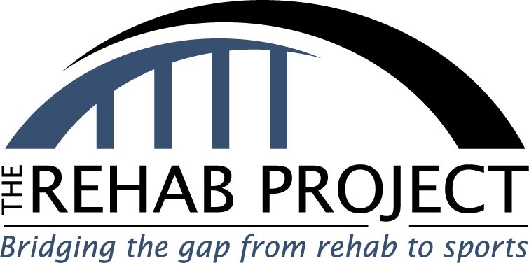
 | Welcome to The Rehab Project's free ACL Testing program. Go through the below tests and fill out any boxes colored in blue. All test names have a hyperlink to a video explaining the test, what to look for, and how to figure out your score. Once complete you will have a total score and a list of exercises to help fix your specific deficits. |  |  |  | Welcome to The Rehab Projects free ACL Testing program. Go through the below tests and fill out any boxes colored in blue. All test names have a hyperlink to a video explaining the test, what to look for and how to figure out your score. Once complete you will have a total score and a list of exercises to help fix your specific deficits

Knee Injuries | ACL | None | None | None
Surgey Date | 5/29/2023
Days since surgery | 115 | 0 | 0 | 0

Injured vs healthy Assymetry Percentage
1 Leg balance | 6% | Time
Single leg squat | 6% | Reps
Side Plank | 6% | Time
Y balance | 6% | Score
Single leg broad | 6% | Distance
Single leg crossover | 6% | Distance
Very Poor | 6%

Functional Movement Screening
Movement | Score | Movement issue 1 | Movement issue 2 | Movement issue 3
Overhead Squat | 2 | Arms drop down | heels come up | Knees cave in | Overhead Squat | Knees cave in | Arms drop down | heels come up | Knee caves in
Inline Lunge - L | 2 | Knee caves in | front heel comes up | ankles unstable | Inline Lunge - L | Knee caves in | front heel comes up | ankles unstable | Hips drop
Inline Lunge - R | 2 | Knee caves in |  |  | Inline Lunge - R | Knee caves in | front heel comes up | ankles unstable | Arms drop down
Hurdle Step - L | 2 | Hips drop | Rotate leg to get over hurdle |  | Hurdle Step - L | Hips drop | Rotate leg to get over hurdle | ankles unstable | heels come up
Hurdle Step - R | 2 | Hips drop |  |  | Hurdle Step - R | Hips drop | Rotate leg to get over hurdle | ankles unstable | ankles unstable
Active Leg Raise - L | 2 | 2 |  |  | Active Leg Raise - L | 1 | 2 | 3 | front heel comes up
Active Leg Raise - R | 2 | 2 |  |  | Active Leg Raise - R | 1 | 2 | 3 | Rotate leg to get over hurdle
Trunk Stability Push-up | 2 | 2 |  |  | Trunk Stability Push-up | 1 | 2 | 3
Rotary Stability | 2 | 2 |  |  | Rotary Stability | 1 | 2 | 3
Your Score | 18
Max Score | 27
Grade | 67% | Find more info or book a consultation at ACLRehab.Net
Testing Conclusion Video

